Q1 2024
Unique Site Count (Q1 2024 information) | 700 MHz | 800 MHz | 900 MHz | 1800 MHz | 2.1 GHz | 2.3 GHz | 2.6 GHz | 3.6 GHz
Dense Air | - | - | - | - | - | - | - | 142
Eir | 2371 | 2461 | 2519 | 1609 | 1607 | 15 | - | 358
Imagine | - | - | - | - | - | 3 | - | 284
Three | 1408 | 2293 | 2378 | 2085 | 1633 | - | 77 | 547
Vodafone | 1349 | 2086 | 2221 | 1553 | 1091 | - | 97 | 300
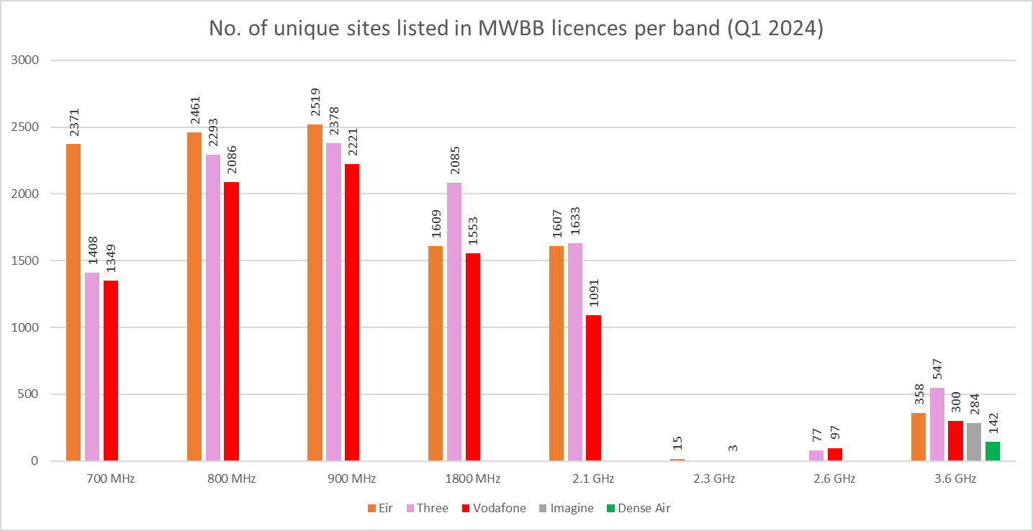

Q1 2025
Unique Site Count (Q1 2025 information) | 700 MHz | 800 MHz | 900 MHz | 1800 MHz | 2.1 GHz | 2.3 GHz | 2.6 GHz | 3.6 GHz
Eir | 2484 | 2576 | 2627 | 1674 | 1672 | 145 | - | 361
Imagine | - | - | - | - | - | 1 | - | 270
Three | 1605 | 2355 | 2430 | 2161 | 1822 | - | 149 | 627
Vodafone | 1603 | 2196 | 2293 | 1665 | 1255 | - | 143 | 433

